PERSONA
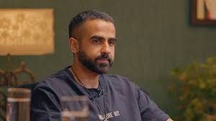
NAME | NIKHIL
LOCATION | INDIA

LIFESTYLE | BUSY WORKING PROFESSIONAL
 | PRIORITIZES SAVINGS GROWTH VIA VALUE INVESTING, THANKS WARREN BUFFET, RAKESH JHUNJHUNWALA

 | SEEKING A RELIANT EASY TO UNDERSTAND WAY TO IDENTIFY STOCKS
 | FEELS OVERWHELMED BY THE DELUGE OF ADVICE AND NUMBERS

 | FEELS UNSAFE TO INVEST DUE TO GROWING PUMP N DUMP SCHEMES AND MISINFORMATION ON SICAL MEDIA

MOTIVATION/GOALS | INCREASE SAVINGS
 | FIND A RELIABLE EASY TO IUNDERSTAND PLACE

PAINS.FRUSTATIONS | GETTING MANIPULATED INTO A DOOMED PENNY STOCK
 | POTENTIAL LOSSES

